ITP - Linemarking
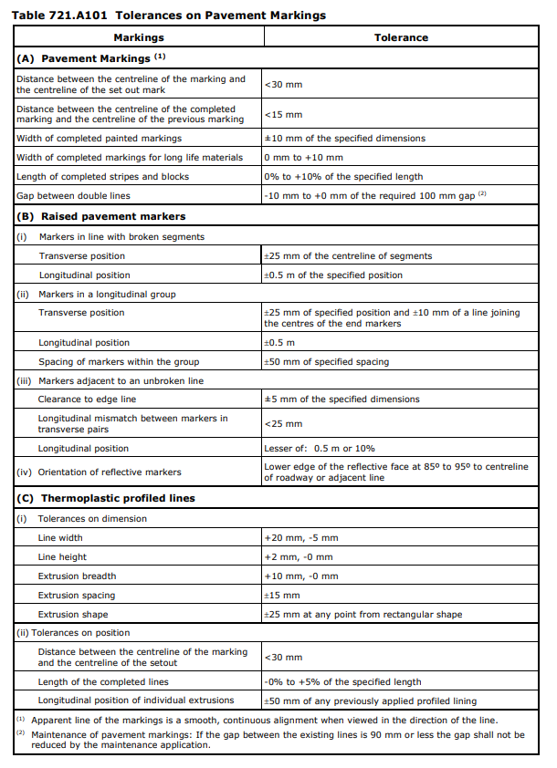
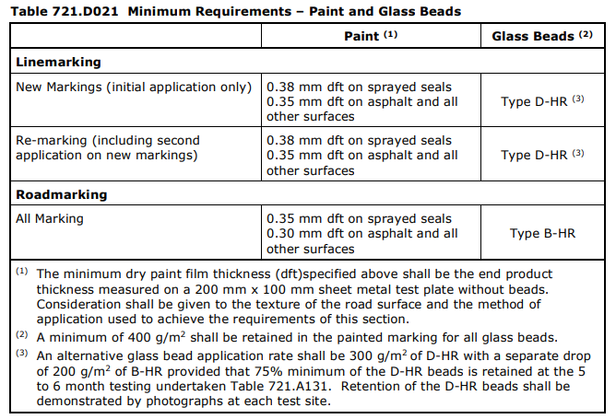
 |  |  | Inspection and Test Plan - Control and Supervision of the Works |  |  |  |  |  |  |  | Document #
 |  |  |  |  |  |  |  |  |  |  | Revision :

Client: |  | Department of State Growth |  | Construction Process: |  | Prepared by: |  | Reviewed by : |  |  | Approved by :
Project: |  | Bruny Island Link Map Link 74, Ch 6.47 to Ch 9.13 |  | Linemarking & RRPM & Road Furniture and Signage. |  | Name: | Dhruv Patel | Name: |  |  | Name:
Contract No: |  |  |  | Specifications: Specifications Sections 710 and 721
 |  |  |  | Structure / Component: |  | Signed : |  | Signed : |  |  | Signed :
 |  |  |  | Location: Bruny Island Link Map Link 74, Ch 6.47 to Ch 9.13 |  | Date : |  | Date : |  |  | Date :

Item | Task/Activity Description |  | Inspection / Controls and Verification Detail |  |  |  |  | HP/ WP/ AP/ IP/ TP/ SCP | Responsibility | Checked by:
No. |  |  | Frequency | Acceptance Criteria | Reference Documents | Inspection / Test Method | Record of conformity |  | Project Engineer Site Engineer Superintendent Surveyor Foreman | Client | Fulton Hogan | Independent QA Verifier | Date
1 | Preliminary Works
1.1 | Check for correct documentation |  | Prior to commencing any activity | Ensure that all employees and subcontractors are: - using the correct and complete set of drawings -all drawings are the latest revision | Drawings and drawing registers | Document review | This ITP signed off | *HP | Site Engineer / Site Foreman | N/A |  | N/A
1.2 | Implementation of all measures and controls |  | Prior to commencing any activity | All necessary measures and controls are being implemented, that is: PSP, EMP, TMP, JSEA, SWMS & WP | PSP, EMP, TMP, JSEA, SWMS, WP | Visual Inspection | This ITP signed off | *HP | Site Engineer / Site Foreman | N/A |  | N/A
1.3 | Signage Conformance |  | Before commencement of activity | Ensure sign size and image correspond with contract drawings Road Signage Installation | Drawings 2101-2116 | Verify | This ITP signed off | IP | Site Engineer | N/A |  | N/A
1.4 | Service Identification |  | Prior to start | Check for any services in proximity to points of installation of posts (Road Sign Preparation) | DBYD | Verify | Ground penetration permit, This ITP signed off | IP | Site Engineer | N/A |  | N/A
2 | Linemarking Works
2.1 | Set out of line markings; dimensions and spacings |  | Prior to commencing line marking works | Holding Point: Painting/application of material shall not commence until the Superintendent has inspected the set out and given consent to proceed, unless an exemption has been granted in writing by the Superintendent. (a) New pavement markings shall be positioned in accordance with the following requirements: (i) set out by the Contractor in conformance with the appropriate standard required by Clause 721.A03 (ii) applied within the tolerances listed in Table 721.A101. (b) Temporary Reflective Markers Temporary reflective markers for new works shall be placed at the following minimum spacings on all longitudinal lane lines, except that on any curve less than 500 m in radius the spacing shall not be more than 12 metre centres: AADT ≥5,000 and National Highway 12 metre centres AADT ≥1,000 and <5,000 24 metre centres AADT <1,000 48 metre centres | Cl.721.B05 | Document review & Site inspection | Consent to proceed by Superintendent OR written exemption granted This ITP signed | HP | Site Engineer / QAV | N/A
2.2 | Verification of line marking material |  | Prior to commencing line marking works | Line marking material is to comply with minimum requirements as specified in Spec Tables 721.D021 and 721.E021 | Cl.721.D02 Cl.721.E02 | Document review | Material compliance This ITP signed | IP | Site Engineer | N/A |  | N/A
3 | RRPMs
3.1 | Materials |  | Each lot | Markers shall comply with the relevant requirements of AS 1906, Part 3. Epoxy adhesive shall be Standard Set or Rapid Set adhesive complying with the relevant requirements of AS 3554 | Cl 710.03 | Visual Inspection | This ITP signed off | IP | Site Engineer | N/A |  | N/A
3.2 | Preparing Adhesive |  | Each lot | Adhesive components shall be batched so that the mixed adhesive contains not less than 45% nor more than 55% by volume of either component. Before starting work each day, or when changing to a different batch of adhesive, a hand-mixed colour standard shall be prepared for reference during the day. When hand-mixing is used not more than 500 g of each component shall be mixed at any time. The components shall be mixed on a flat surface and the mixed adhesive shall be used within 10 minutes of the time the two components are brought together. Hot melt bitumen adhesive shall not be used on days of total fire ban without the written approval of the Tasmanian Fire Service | Cl 710.04 Cl 710.05 | Visual Inspection | This ITP signed off | IP | Site Engineer | N/A |  | N/A
3.3 | Pavement preparation |  | Each lot | The Contractor shall sweep or air blast each marker site as necessary to remove loose material before placing markers. Markers shall only be placed at locations where the pavement is free from dirt, oil, grease, paint, or any other material | Cl 710.06 | Visual Inspection | This ITP signed off | IP | Site Engineer | N/A |  | N/A
3.4 | Placing markers |  | Each lot | Markers shall not be placed in any of the following circumstances: • when the pavement is wet; • when the relative humidity is greater than 80%; • when the ambient temperature or the temperature of the road surface is less than 15deg for standard set adhesive or 0deg for rapid set or hot melt adhesive. Where a marker is not positioned correctly within 10 seconds for hot melt bitumen adhesive, 2 minutes for rapid set machine mix adhesive, 4 minutes for standard set machine mix, or 10 minutes for standard set hand mix from the time mixing commences, it shall be discarded and a new marker placed. | Cl 710.07 | Visual Inspection | This ITP signed off | IP | Site Engineer | N/A |  | N/A
3.5 | Tolerances |  | Each lot | (a) Markers in Line with Broken Line Segments Transverse position within 25 mm of the centreline of the segments. Longitudinal position within 0.5 m of the specified position. (b) Markers in a Longitudinal Group Transverse position of the centre of each marker within 25 mm of the specified position and within 10 mm of a line joining the centres of the end markers of the group. (c) Markers Adjacent to Unbroken Line Clearance to edge of line within 5 mm of that specified. Longitudinal mismatch between markers in transverse pairs at barrier line not more than 25 mm. (d) Orientation of Reflective Markers Lower edge of the reflective face at 85deg to 95deg to the centreline of the roadway or any adjacent line. | Cl 710.02 | Visual Inspection | This ITP signed off | IP | Site Engineer | N/A |  | N/A
4 | Testing
4.1 | Line Marking Tolerances |  | After completion of works | Line marking shall comply with the tolerances shown in Table 721.A101. | . Table 721.A131 Project Spec. Table 721.A101 | Document review & Site inspection | This ITP signed | IP | Site Engineer | N/A |  | N/A
4.2 | Removal of Non-compliant marking |  | After completion of works | Hold Point Where the removal of unsuitable pavement marking is required, the method of removal shall be subject to the approval of the Superintendent before removal works commence | Project Spec. Cl.721.A12 | Document review | Approval from Superintendent This ITP signed | HP | Site Engineer / Superintendent |  |  | N/A
5 | Signage
5.1 | Setting Out |  | Prior to start | Set out work in accordance with drawings and in accordance with alignments, levels, grades, and sections. | Drawings 2101 to 2116 | Visual Inspection | This ITP signed off | IP | Site Engineer | N/A |  | N/A
5.2 | Conformity with drawings |  | four weeks prior to installation | Witness Point If the Contractor proposes to use an alternative method of installation, the Contractor shall submit full details to the Superintendent for approval not later than four weeks before the commencement of sign installation | Cl 714.04 | Verify | This ITP signed off | WP | Site Engineer / QAV | N/A
5.3 | Post & Foundations |  | Prior to Start | Hold Point The required positions of all posts and signs shall be as directed by the Superintendent who shall confirm the positions before the erection of posts commences. | Cl 714.06 | Visual inspection | This ITP signed off | HP | Site Engineer / QAV | N/A
5.4 | Signage Install |  | Each Sign | Sign to be installed as per most current project and DSG standard drawings, local council documentation, and to the correct height and position. Signs specified to be re used are to comply with AS 1742 standards, and must be replaced if deemed in unsatisfactory condition | DSG standard drawings. Cl 714.07 | Verify | This ITP signed off | IP | Site Engineer | N/A |  | N/A
5.5 | Tolerances |  | Each Sign | Posts vertical with maximum deviation of 1 in 100 Post tops 50mm +-10mm below top edge of sign Signs mounted level with maximum deviation of 1 in 100 +-40mm of the height specified in the Sign and Post schedule +-100mm of the pegged sign location or specified location | Cl 714.05 Cl 714.07 | Measure | This ITP signed off | IP | Site Engineer | N/A |  | N/A
 | Final Inspection
 | The signature below verifies that this ITP has been completed in accordance with the FH’s Quality system Procedures and verifies lot compliance with specifications.
 | Print Name: |  | Position: |  | Signature: |  |  |  |  | Date: / /

Legend
HP | Hold Point | Work shall not proceed past the HP until released by the Superintendent |  |  | IP | Inspection point |  | Formal Inspection to be done and recorded
HP* | FH Hold Point | Work shall not proceed past the HP* until released by FH |  |  | TP | Test Point |  | Product compliance test to be undertaken and recorded/reported
AP | Approval Point | Written or verbal approval given by the Superintendent |  |  | SCP | Survey conformance point |  | A qualified surveyor to check product/section/structure and report
WP | Witness Point | An inspection which must be witnessed by the Superintendent

